Main
Banner: | No Split
Filters: | none

Monthly Trend
chart data -- Monthly Trend | Total (N=269) | Inbound (N=230) | NSC (N=39)
Jul-21 | 49 | 41 | 8
Aug-21 | 22 | 14 | 8
Sep-21 | 38 | 36 | 2
Oct-21 | 17 | 15 | 2
Nov-21 | 29 | 23 | 6
Dec-21 | 14 | 8 | 6
Jan-22 | 9 | 8 | 1
Feb-22 | 23 | 20 | 3
Mar-22 | 26 | 25 | 1
Apr-22 | 35 | 33 | 2
May-22 | 7 | 7 | 0
Jun-22 | 0 | 0 | 0
Jan-23 | 0 | 0 | 0

Quarterly Trend
chart data -- Quarterly Trend | Total (N=269) | Inbound (N=230) | NSC (N=39)
Q3'21 | 18 | 0 | 18
Q4'21 | 14 | 0 | 14
Q1'22 | 5 | 0 | 5
Q2'22 | 2 | 0 | 2

INBOUND
Banner: | No Split
Filters: | none

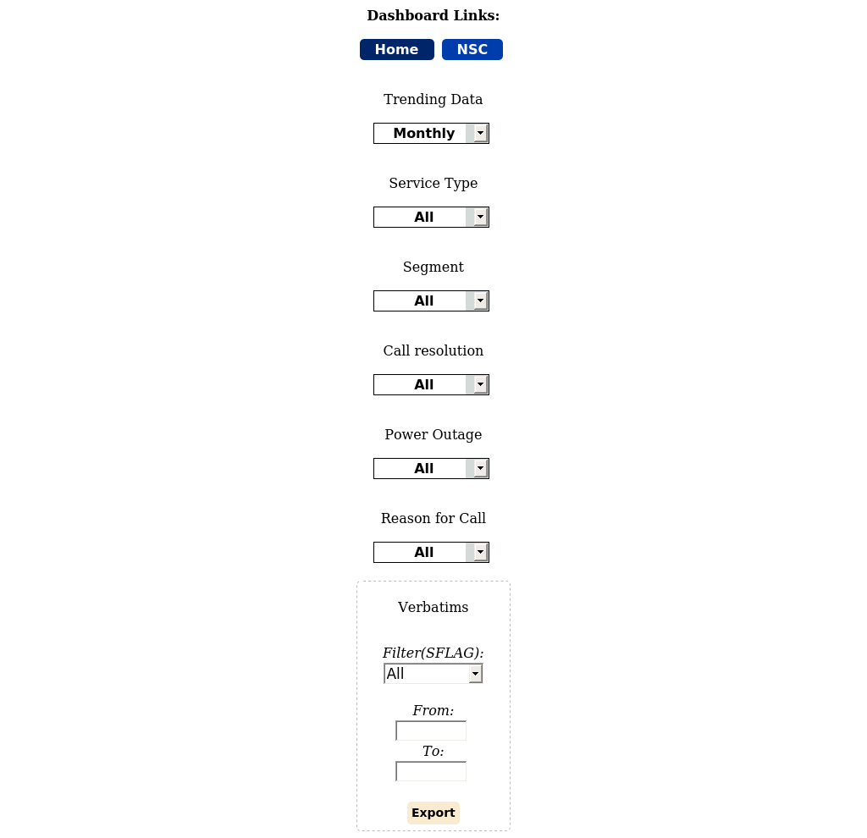

Trending Segments
chart data -- Trending Segments | Advocates (N=230) | Passives (N=184) | Detractors (N=225)
Jul-21 | 41 | 43 | 44
Aug-21 | 14 | 19 | 23
Sep-21 | 36 | 14 | 26
Oct-21 | 15 | 20 | 15
Nov-21 | 23 | 22 | 24
Dec-21 | 8 | 4 | 0
Jan-22 | 8 | 5 | 8
Feb-22 | 20 | 21 | 25
Mar-22 | 25 | 12 | 32
Apr-22 | 33 | 18 | 23
May-22 | 7 | 6 | 5
Jun-22 | 0 | 0 | 0
Jan-23 | 0 | 0 | 0

Is a company I trust
chart data -- Is a company I trust | Great (N=279) | Good (N=178) | Okay (N=108) | Poor (N=29) | Very Poor (N=45)
Jul-21 | 39% | 32% | 19% | 5% | 5%
Aug-21 | 36% | 34% | 16% | 7% | 7%
Sep-21 | 50% | 20% | 16% | 5% | 9%
Oct-21 | 38% | 36% | 16% | 4% | 6%
Nov-21 | 43% | 35% | 14% | 1% | 6%
Dec-21 | 75% | 25% | 0% | 0% | 0%
Jan-22 | 43% | 43% | 5% | 5% | 5%
Feb-22 | 44% | 26% | 9% | 6% | 15%
Mar-22 | 42% | 17% | 29% | 7% | 4%
Apr-22 | 51% | 19% | 23% | 1% | 5%
May-22 | 44% | 33% | 6% | 0% | 17%
Jun-22 | 0% | 0% | 0% | 0% | 0%
Jan-23 | 0% | 0% | 0% | 0% | 0%

Call Resoulution
chart data -- Call Resoulution | Not Resolved – Unsatisfied (N=141) | Still in Progress – Unsatisfied (N=39) | Still in Progress – Satisfied (N=49) | Resolved Multiple Conts - Satisfied (N=102) | Resolved on First Contact - Satisfied (N=396)
Jul-21 | 26% | 7% | 8% | 14% | 46%
Aug-21 | 34% | 6% | 1% | 9% | 50%
Sep-21 | 18% | 6% | 6% | 14% | 56%
Oct-21 | 27% | 6% | 10% | 16% | 41%
Nov-21 | 14% | 3% | 4% | 16% | 63%
Dec-21 | 0% | 8% | 8% | 17% | 67%
Jan-22 | 10% | 0% | 0% | 14% | 76%
Feb-22 | 18% | 5% | 5% | 14% | 59%
Mar-22 | 6% | 7% | 13% | 13% | 61%
Apr-22 | 12% | 4% | 9% | 16% | 58%
May-22 | 11% | 0% | 6% | 17% | 67%
Jun-22 | 0% | 0% | 0% | 0% | 0%
Jan-23 | 0% | 0% | 0% | 0% | 0%

Cares about me
chart data -- Cares about me | Great (N=252) | Good (N=163) | Okay (N=130) | Poor (N=38) | Very Poor (N=56)
Jul-21 | 29% | 24% | 15% | 6% | 4%
Aug-21 | 19% | 21% | 16% | 4% | 10%
Sep-21 | 45% | 16% | 13% | 5% | 9%
Oct-21 | 27% | 27% | 14% | 3% | 8%
Nov-21 | 36% | 23% | 25% | 4% | 7%
Dec-21 | 67% | 33% | 0% | 0% | 0%
Jan-22 | 43% | 14% | 33% | 0% | 10%
Feb-22 | 32% | 29% | 18% | 9% | 12%
Mar-22 | 38% | 16% | 33% | 7% | 6%
Apr-22 | 47% | 23% | 14% | 5% | 11%
May-22 | 50% | 22% | 11% | 6% | 11%
Jun-22 | 0% | 0% | 0% | 0% | 0%
Jan-23 | 0% | 0% | 0% | 0% | 0%

AUC Statements (% Agree, YTD)
chart data -- AUC Statements (% Agree, YTD) | All (N=727)
Knowledgeable | 77%
Helpful | 77%
Provide satisfactory service | 76%
Courteous | 84%
Easy for customer to reach out | 78%

NSC
Banner: | No Split
Filters: | none

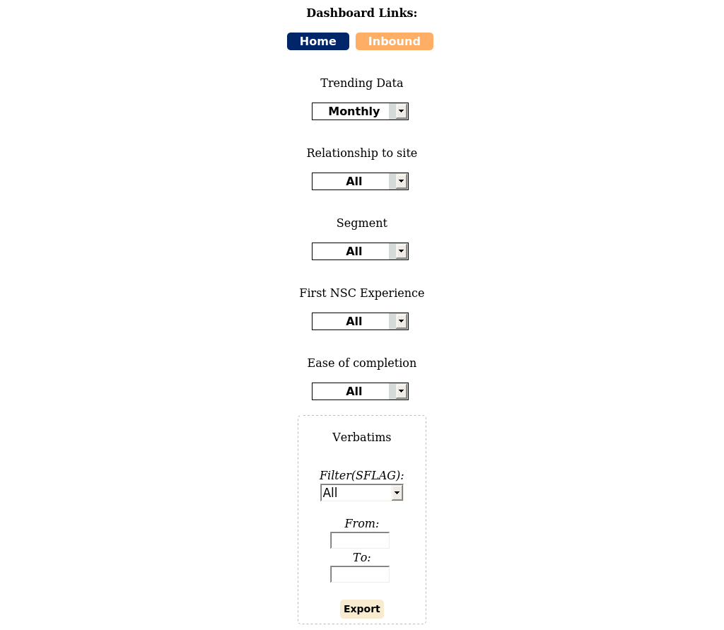

Month-to-Month Trend: Segments
chart data -- Month-to-Month Trend: Segments | Advocates (N=39) | Passives (N=27) | Detractors (N=22)
Jul-21 | 8 | 6 | 3
Aug-21 | 8 | 2 | 3
Sep-21 | 2 | 1 | 3
Oct-21 | 2 | 4 | 2
Nov-21 | 6 | 5 | 5
Dec-21 | 6 | 2 | 2
Jan-22 | 1 | 0 | 0
Feb-22 | 3 | 4 | 3
Mar-22 | 1 | 2 | 0
Apr-22 | 2 | 1 | 1
May-22 | 0 | 0 | 0
Jun-22 | 0 | 0 | 0
Jan-23 | 0 | 0 | 0

Quote Phase
chart data -- Quote Phase | Very dissatisfied (N=63) | Somewhat dissatisfied (N=16) | Neither satisfied/dissatisfied (N=1) | Somewhat satisfied (N=4) | Very satisfied (N=4)
Jul-21 | 65% | 29% | 0% | 6% | 0%
Aug-21 | 92% | 0% | 8% | 0% | 0%
Sep-21 | 67% | 17% | 0% | 0% | 17%
Oct-21 | 75% | 25% | 0% | 0% | 0%
Nov-21 | 75% | 13% | 0% | 0% | 13%
Dec-21 | 80% | 10% | 0% | 10% | 0%
Jan-22 | 100% | 0% | 0% | 0% | 0%
Feb-22 | 60% | 20% | 0% | 10% | 10%
Mar-22 | 33% | 33% | 0% | 33% | 0%
Apr-22 | 50% | 50% | 0% | 0% | 0%
May-22 | 0% | 0% | 0% | 0% | 0%
Jun-22 | 0% | 0% | 0% | 0% | 0%
Jan-23 | 0% | 0% | 0% | 0% | 0%

Design Phase
chart data -- Design Phase | Very dissatisfied (N=60) | Somewhat dissatisfied (N=15) | Neither satisfied/dissatisfied (N=6) | Somewhat satisfied (N=3) | Very satisfied (N=4)
Jul-21 | 76% | 12% | 0% | 6% | 6%
Aug-21 | 69% | 15% | 15% | 0% | 0%
Sep-21 | 50% | 33% | 0% | 17% | 0%
Oct-21 | 100% | 0% | 0% | 0% | 0%
Nov-21 | 50% | 19% | 13% | 6% | 13%
Dec-21 | 70% | 30% | 0% | 0% | 0%
Jan-22 | 100% | 0% | 0% | 0% | 0%
Feb-22 | 60% | 10% | 20% | 0% | 10%
Mar-22 | 67% | 33% | 0% | 0% | 0%
Apr-22 | 75% | 25% | 0% | 0% | 0%
May-22 | 0% | 0% | 0% | 0% | 0%
Jun-22 | 0% | 0% | 0% | 0% | 0%
Jan-23 | 0% | 0% | 0% | 0% | 0%

Construction Phase
chart data -- Construction Phase | Very dissatisfied (N=65) | Somewhat dissatisfied (N=17) | Neither satisfied/dissatisfied (N=4) | Somewhat satisfied (N=0) | Very satisfied (N=2)
Jul-21 | 82% | 18% | 0% | 0% | 0%
Aug-21 | 54% | 38% | 8% | 0% | 0%
Sep-21 | 67% | 0% | 17% | 0% | 17%
Oct-21 | 88% | 13% | 0% | 0% | 0%
Nov-21 | 81% | 13% | 0% | 0% | 6%
Dec-21 | 70% | 30% | 0% | 0% | 0%
Jan-22 | 100% | 0% | 0% | 0% | 0%
Feb-22 | 60% | 20% | 20% | 0% | 0%
Mar-22 | 100% | 0% | 0% | 0% | 0%
Apr-22 | 75% | 25% | 0% | 0% | 0%
May-22 | 0% | 0% | 0% | 0% | 0%
Jun-22 | 0% | 0% | 0% | 0% | 0%
Jan-23 | 0% | 0% | 0% | 0% | 0%

Performance Metrics
chart data -- Performance Metrics | Very dissatisfied (N=51) | Somewhat dissatisfied (N=22) | Neither satisfied/dissatisfied (N=8) | Somewhat satisfied (N=4) | Very satisfied (N=3)
Jul-21 | 71% | 24% | 0% | 0% | 6%
Aug-21 | 62% | 23% | 8% | 8% | 0%
Sep-21 | 50% | 0% | 33% | 17% | 0%
Oct-21 | 25% | 50% | 25% | 0% | 0%
Nov-21 | 63% | 13% | 6% | 13% | 6%
Dec-21 | 60% | 40% | 0% | 0% | 0%
Jan-22 | 100% | 0% | 0% | 0% | 0%
Feb-22 | 40% | 40% | 10% | 0% | 10%
Mar-22 | 100% | 0% | 0% | 0% | 0%
Apr-22 | 50% | 25% | 25% | 0% | 0%
May-22 | 0% | 0% | 0% | 0% | 0%
Jun-22 | 0% | 0% | 0% | 0% | 0%
Jan-23 | 0% | 0% | 0% | 0% | 0%

Ease of Completion
chart data -- Ease of Completion | Not Resolved – Unsatisfied (N=42) | Still in Progress – Unsatisfied (N=27) | Still in Progress – Satisfied (N=8) | Resolved Multiple Conts - Satisfied (N=5) | Resolved on First Contact - Satisfied (N=6)
Jul-21 | 59% | 29% | 6% | 6% | 0%
Aug-21 | 62% | 23% | 0% | 15% | 0%
Sep-21 | 17% | 33% | 17% | 0% | 33%
Oct-21 | 38% | 38% | 25% | 0% | 0%
Nov-21 | 63% | 6% | 6% | 6% | 19%
Dec-21 | 30% | 60% | 10% | 0% | 0%
Jan-22 | 100% | 0% | 0% | 0% | 0%
Feb-22 | 30% | 50% | 0% | 10% | 10%
Mar-22 | 33% | 33% | 33% | 0% | 0%
Apr-22 | 50% | 25% | 25% | 0% | 0%
May-22 | 0% | 0% | 0% | 0% | 0%
Jun-22 | 0% | 0% | 0% | 0% | 0%
Jan-23 | 0% | 0% | 0% | 0% | 0%

